Sheet1
Evergreen Manufacturing & Machine, Inc.

QUOTE REQUEST

Instructions: Select your items from the list below. Simply use the drop down menus to select your finish, sizes, etc. Type in your desired material, length, etc. Save your file and upload it to EMMI's website, or email the completed form to: sales@emmi-usa.com.

Rods, Studs & Pins

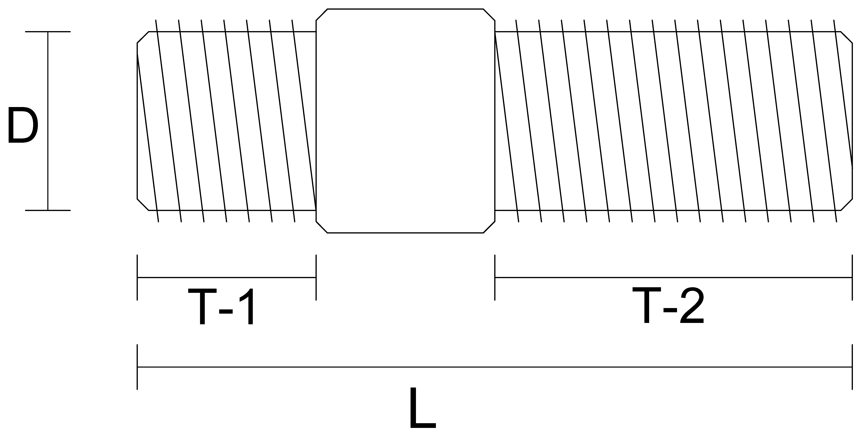

Item | Quantity | Material | Finish | Length | Diameter | Threads | Thread End T-1 Measurement | T-1 Thread Side | T-1 Thread | Thread Side T-2 Measurement | T-2 Thread Side | T-2 Thread
Select Item |  |  | Select Finish |  | Select Diameter | Select Thread Ends |  | Select Thread Side | Select NC/NF |  | Select Thread Side | Select NC/NF
Select Item |  |  | Select Finish |  | Select Diameter | Select Thread Ends |  | Select Thread Side | Select NC/NF |  | Select Thread Side | Select NC/NF
Select Item |  |  | Select Finish |  | Select Diameter | Select Thread Ends |  | Select Thread Side | Select NC/NF |  | Select Thread Side | Select NC/NF
Select Item |  |  | Select Finish |  | Select Diameter | Select Thread Ends |  | Select Thread Side | Select NC/NF |  | Select Thread Side | Select NC/NF
Select Item |  |  | Select Finish |  | Select Diameter | Select Thread Ends |  | Select Thread Side | Select NC/NF |  | Select Thread Side | Select NC/NF
Select Item |  |  | Select Finish |  | Select Diameter | Select Thread Ends |  | Select Thread Side | Select NC/NF |  | Select Thread Side | Select NC/NF
Select Item |  |  | Select Finish |  | Select Diameter | Select Thread Ends |  | Select Thread Side | Select NC/NF |  | Select Thread Side | Select NC/NF
Select Item |  |  | Select Finish |  | Select Diameter | Select Thread Ends |  | Select Thread Side | Select NC/NF |  | Select Thread Side | Select NC/NF
Select Item |  |  | Select Finish |  | Select Diameter | Select Thread Ends |  | Select Thread Side | Select NC/NF |  | Select Thread Side | Select NC/NF
Select Item |  |  | Select Finish |  | Select Diameter | Select Thread Ends |  | Select Thread Side | Select NC/NF |  | Select Thread Side | Select NC/NF

Anchor Bolts
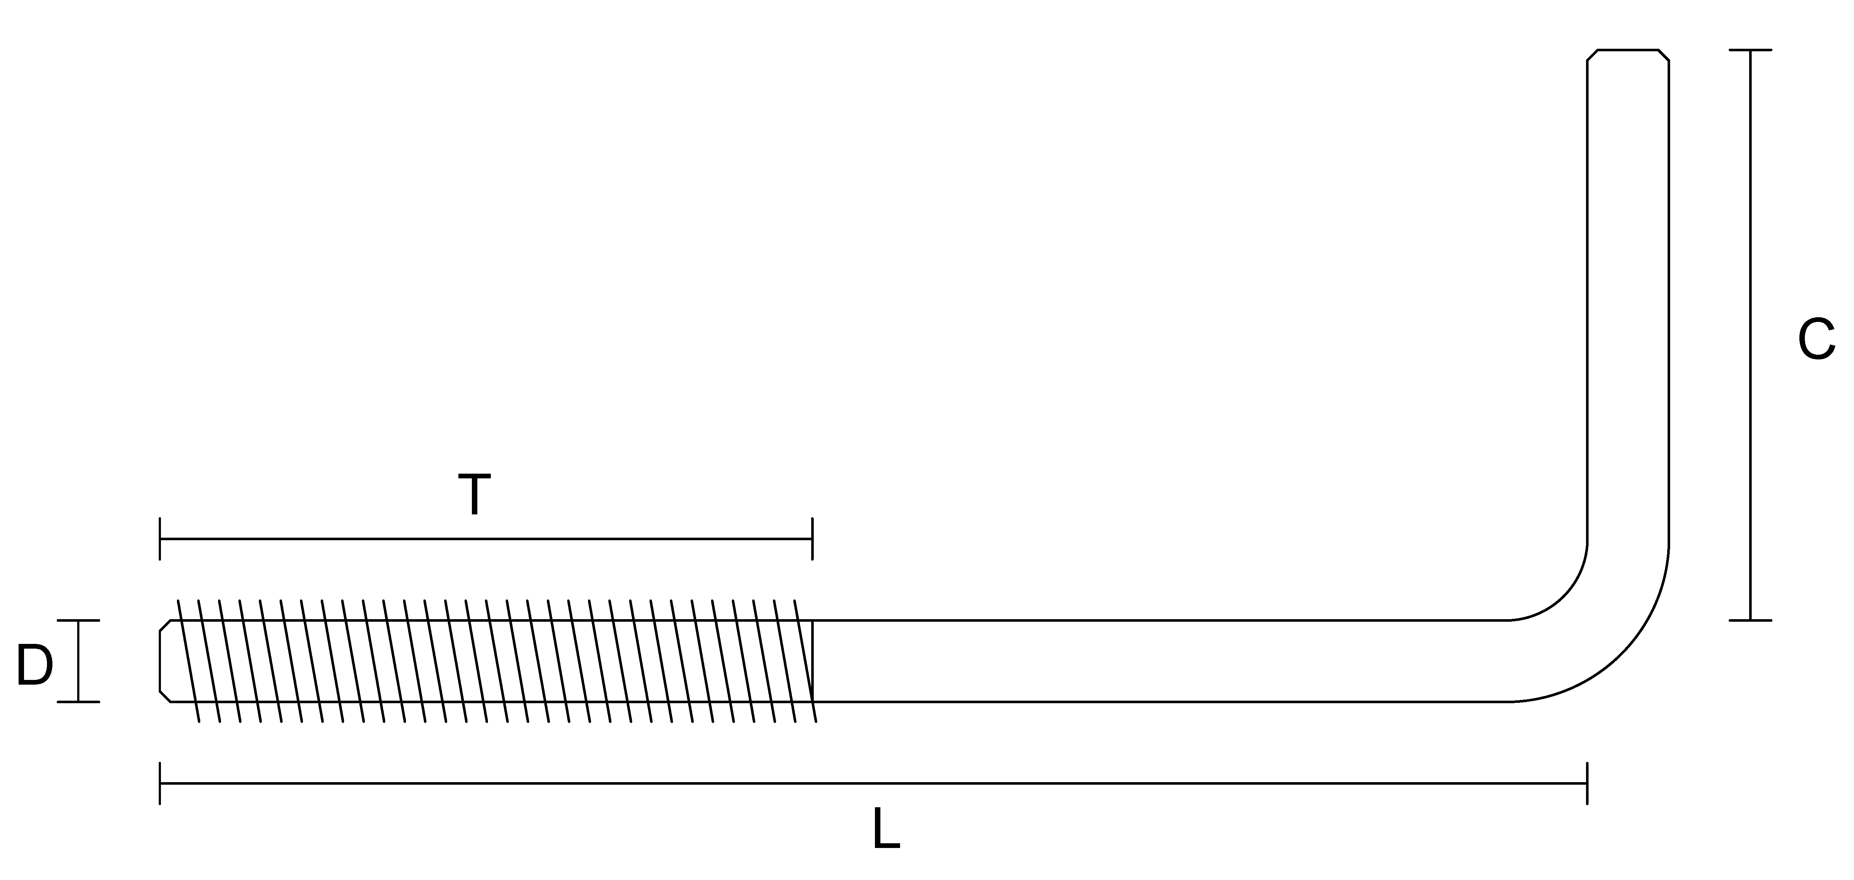

Item | Quantity | Material | Finish | Measurement C | Measurement D | Measurement L | Thread Length T | Thread Side | Thread
Anchor Bolt |  |  | Select Finish |  |  |  |  | Select Thread Side | Select NC/NF
Anchor Bolt |  |  | Select Finish |  |  |  |  | Select Thread Side | Select NC/NF
Anchor Bolt |  |  | Select Finish |  |  |  |  | Select Thread Side | Select NC/NF
Anchor Bolt |  |  | Select Finish |  |  |  |  | Select Thread Side | Select NC/NF

J-Bolt Bolts Round
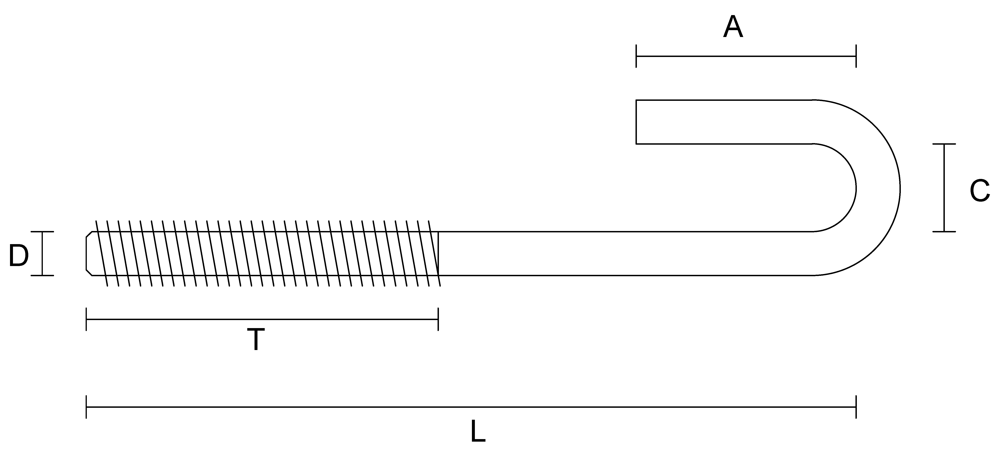

Item | Quantity | Material | Finish | Measurement A | Measurement C | Measurement D | Measurement L | Thread Length T | Thread Side | Thread
J-Bolt Round |  |  | Select Finish |  |  |  |  |  | Select Thread Side | Select NC/NF
J-Bolt Round |  |  | Select Finish |  |  |  |  |  | Select Thread Side | Select NC/NF
J-Bolt Round |  |  | Select Finish |  |  |  |  |  | Select Thread Side | Select NC/NF
J-Bolt Round |  |  | Select Finish |  |  |  |  |  | Select Thread Side | Select NC/NF

J-Bolt Bolts Square
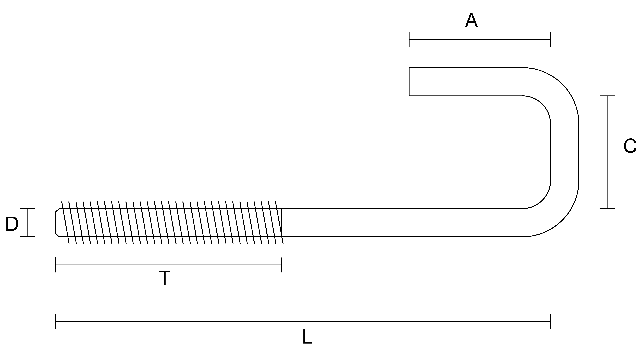

Item | Quantity | Material | Finish | Measurement A | Measurement C | Measurement D | Measurement L | Thread Length T | Thread Side | Thread
J-Bolt Square |  |  | Select Finish |  |  |  |  |  | Select Thread Side | Select NC/NF
J-Bolt Square |  |  | Select Finish |  |  |  |  |  | Select Thread Side | Select NC/NF
J-Bolt Square |  |  | Select Finish |  |  |  |  |  | Select Thread Side | Select NC/NF
J-Bolt Square |  |  | Select Finish |  |  |  |  |  | Select Thread Side | Select NC/NF

Hook Bolts
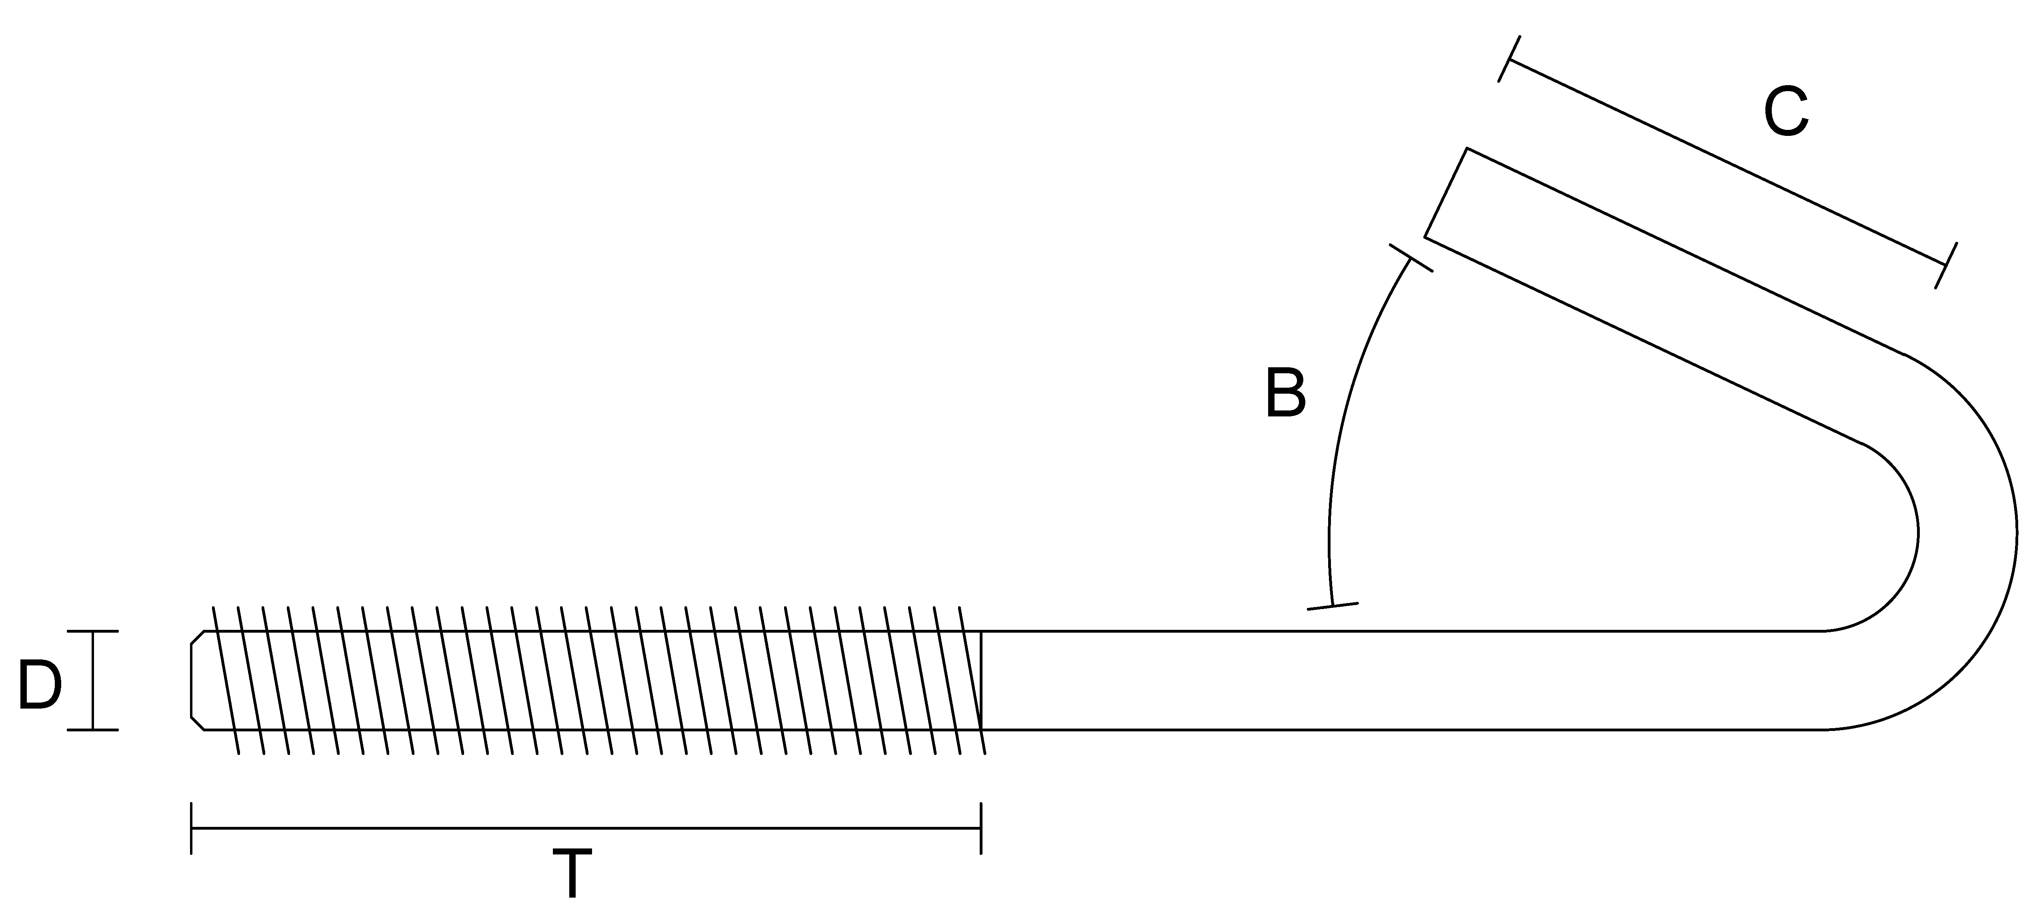

Item | Quantity | Material | Finish | Measurement B | Measurement C | Measurement D | Measurement L | Thread Length T | Thread Side | Thread
Hook Bolts |  |  | Select Finish |  |  |  |  |  | Select Thread Side | Select NC/NF
Hook Bolts |  |  | Select Finish |  |  |  |  |  | Select Thread Side | Select NC/NF
Hook Bolts |  |  | Select Finish |  |  |  |  |  | Select Thread Side | Select NC/NF
Hook Bolts |  |  | Select Finish |  |  |  |  |  | Select Thread Side | Select NC/NF

Eye Bolts - Open
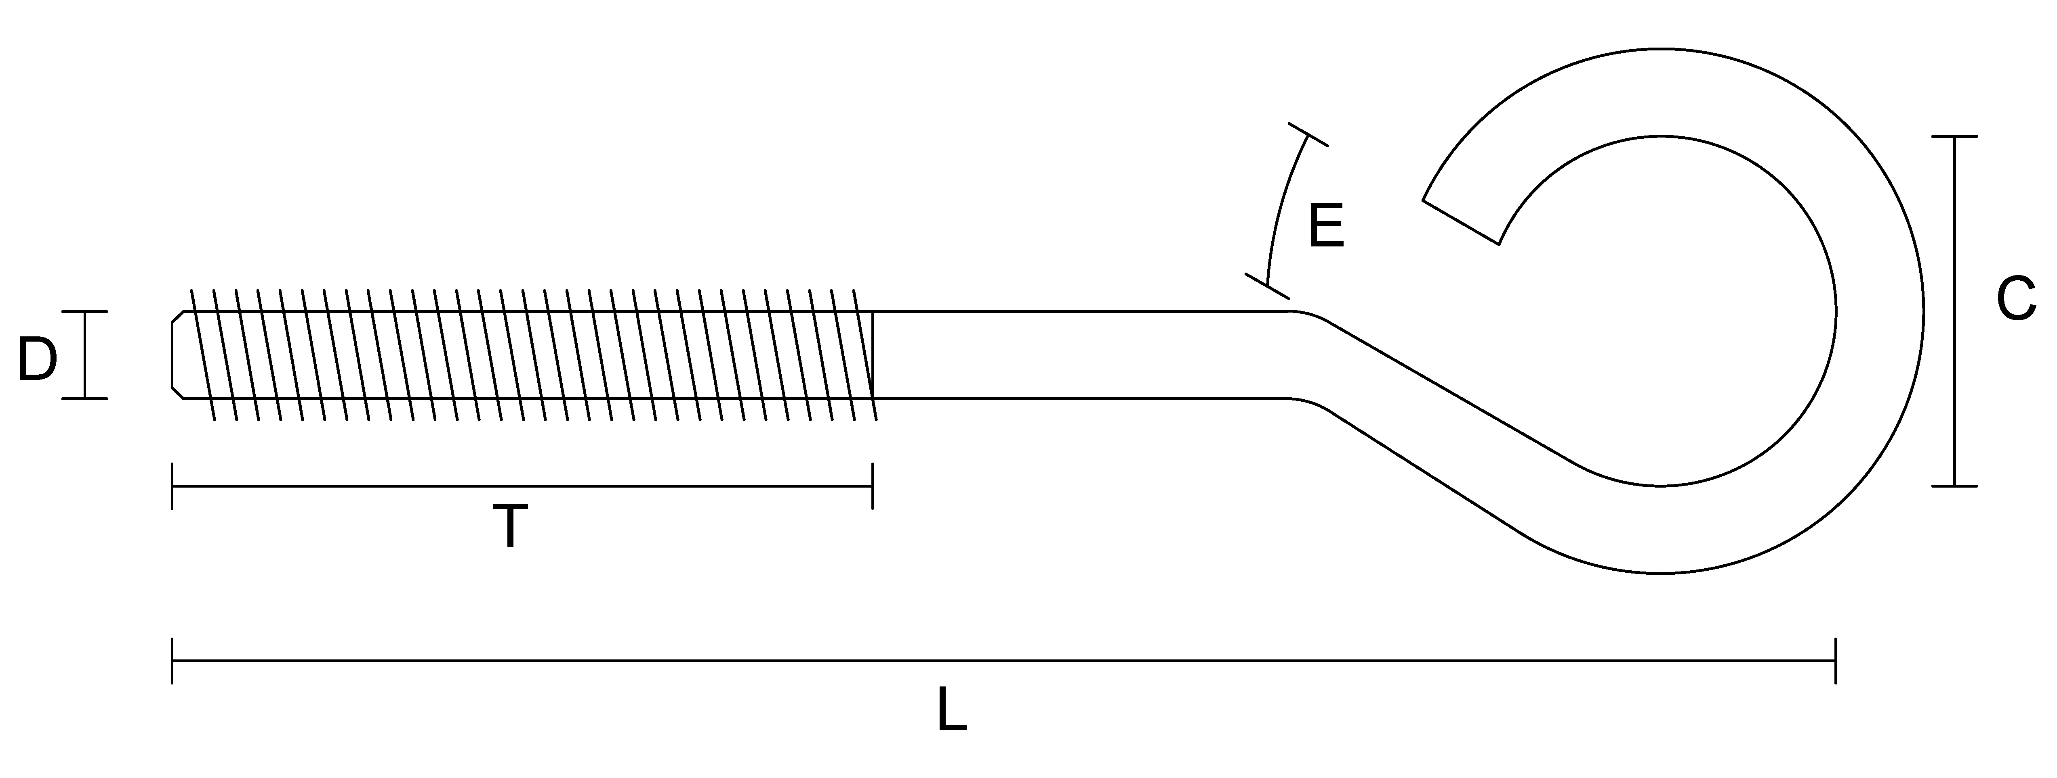

Item | Quantity | Material | Finish | Measurement C | Measurement D | Measurement E | Measurement L | Thread Length T | Thread Side | Thread
Eye Bolts - Open |  |  | Select Finish |  |  |  |  |  | Select Thread Side | Select NC/NF
Eye Bolts - Open |  |  | Select Finish |  |  |  |  |  | Select Thread Side | Select NC/NF
Eye Bolts - Open |  |  | Select Finish |  |  |  |  |  | Select Thread Side | Select NC/NF
Eye Bolts - Open |  |  | Select Finish |  |  |  |  |  | Select Thread Side | Select NC/NF

Eye Bolts - Closed
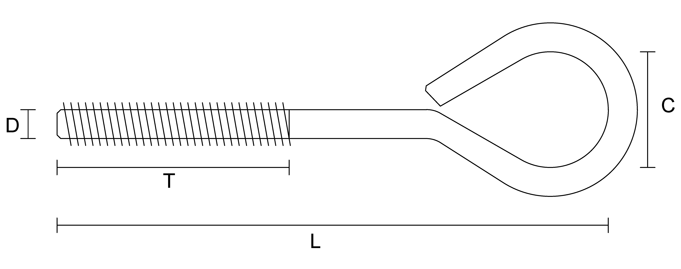

Item | Quantity | Material | Finish | Measurement C | Measurement D | Measurement L | Thread Length T | Thread Side | Thread
Eye Bolts - Closed |  |  | Select Finish |  |  |  |  | Select Thread Side | Select NC/NF
Eye Bolts - Closed |  |  | Select Finish |  |  |  |  | Select Thread Side | Select NC/NF
Eye Bolts - Closed |  |  | Select Finish |  |  |  |  | Select Thread Side | Select NC/NF
Eye Bolts - Closed |  |  | Select Finish |  |  |  |  | Select Thread Side | Select NC/NF

U-Bolts - Round
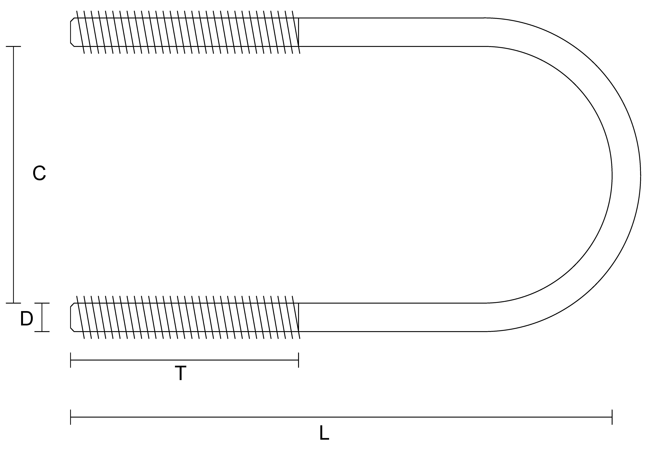

Item | Quantity | Material | Finish | Measurement C | Measurement D | Measurement L | Thread Length T | Thread
U-Bolts - Round |  |  | Select Finish |  |  |  |  | Select NC/NF
U-Bolts - Round |  |  | Select Finish |  |  |  |  | Select NC/NF
U-Bolts - Round |  |  | Select Finish |  |  |  |  | Select NC/NF
U-Bolts - Round |  |  | Select Finish |  |  |  |  | Select NC/NF

U-Bolts - Square
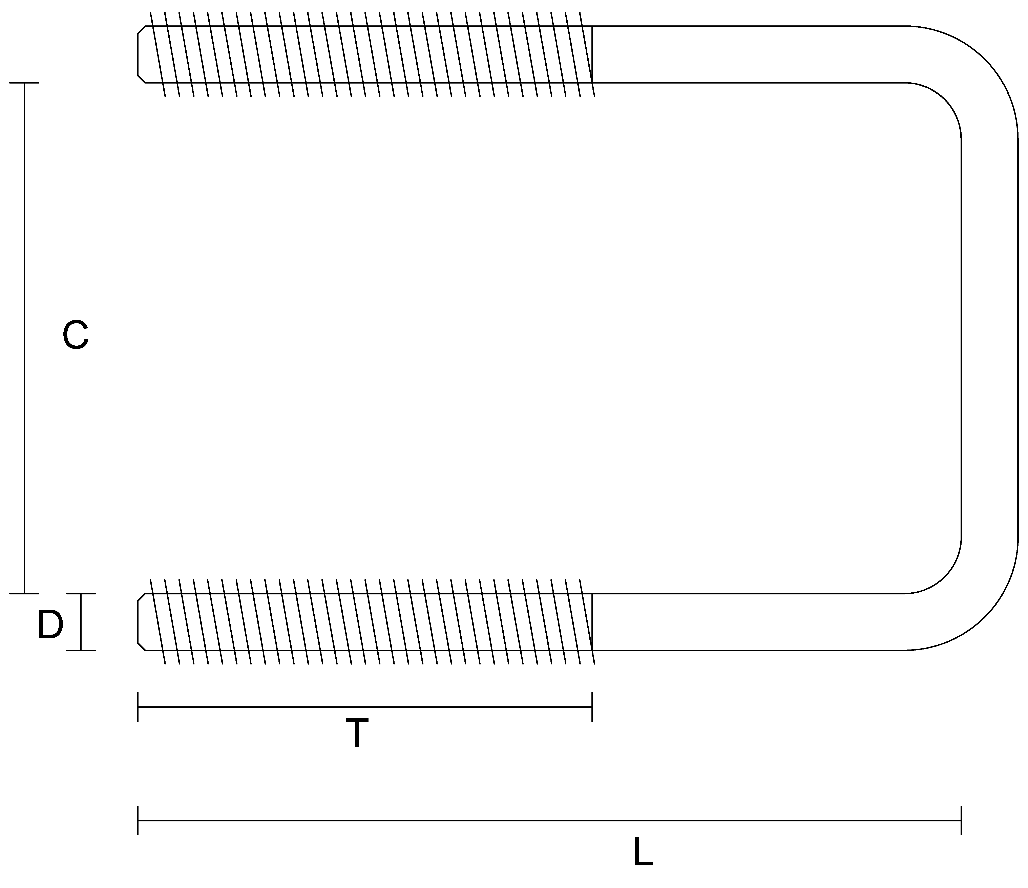

Item | Quantity | Material | Finish | Measurement C | Measurement D | Measurement L | Thread Length T | Thread
U-Bolts - Square |  |  | Select Finish |  |  |  |  | Select NC/NF
U-Bolts - Square |  |  | Select Finish |  |  |  |  | Select NC/NF
U-Bolts - Square |  |  | Select Finish |  |  |  |  | Select NC/NF
U-Bolts - Square |  |  | Select Finish |  |  |  |  | Select NC/NF

Custom Round Washers
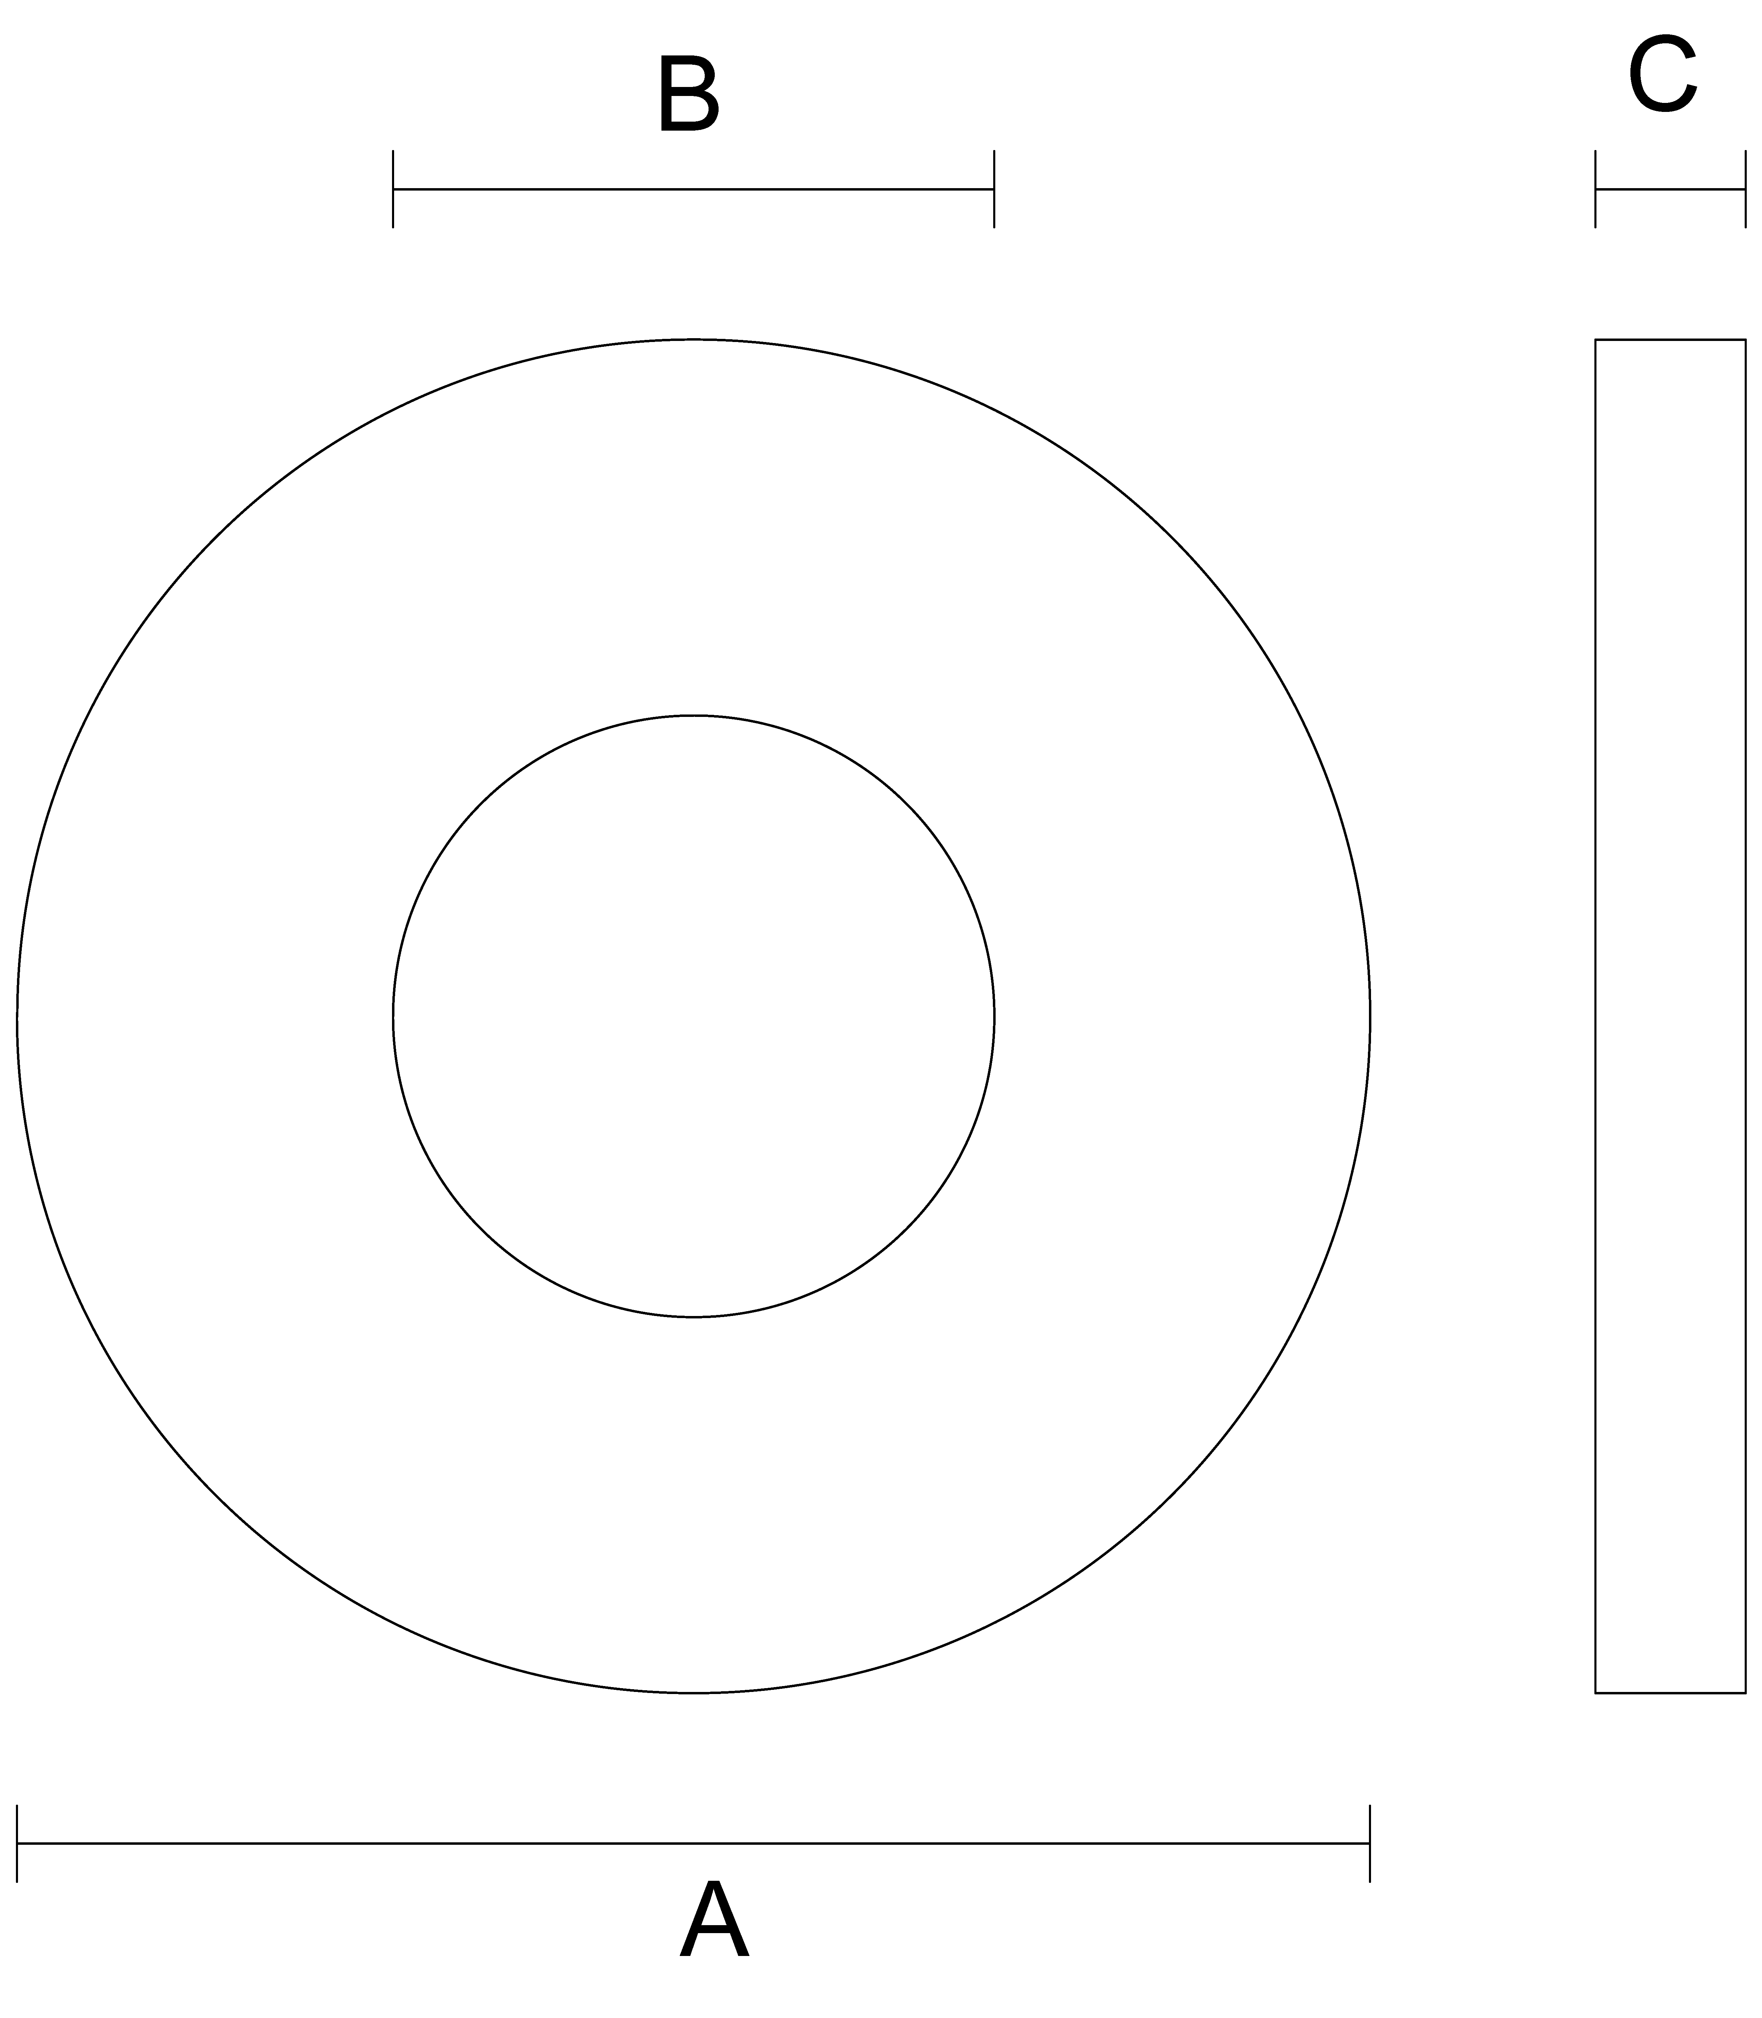

Item | Quantity | Material | Finish | Measurement A | Measurement B | Measurement C
Round Washers |  |  | Select Finish
Round Washers |  |  | Select Finish
Round Washers |  |  | Select Finish
Round Washers |  |  | Select Finish

Custom Square Washers
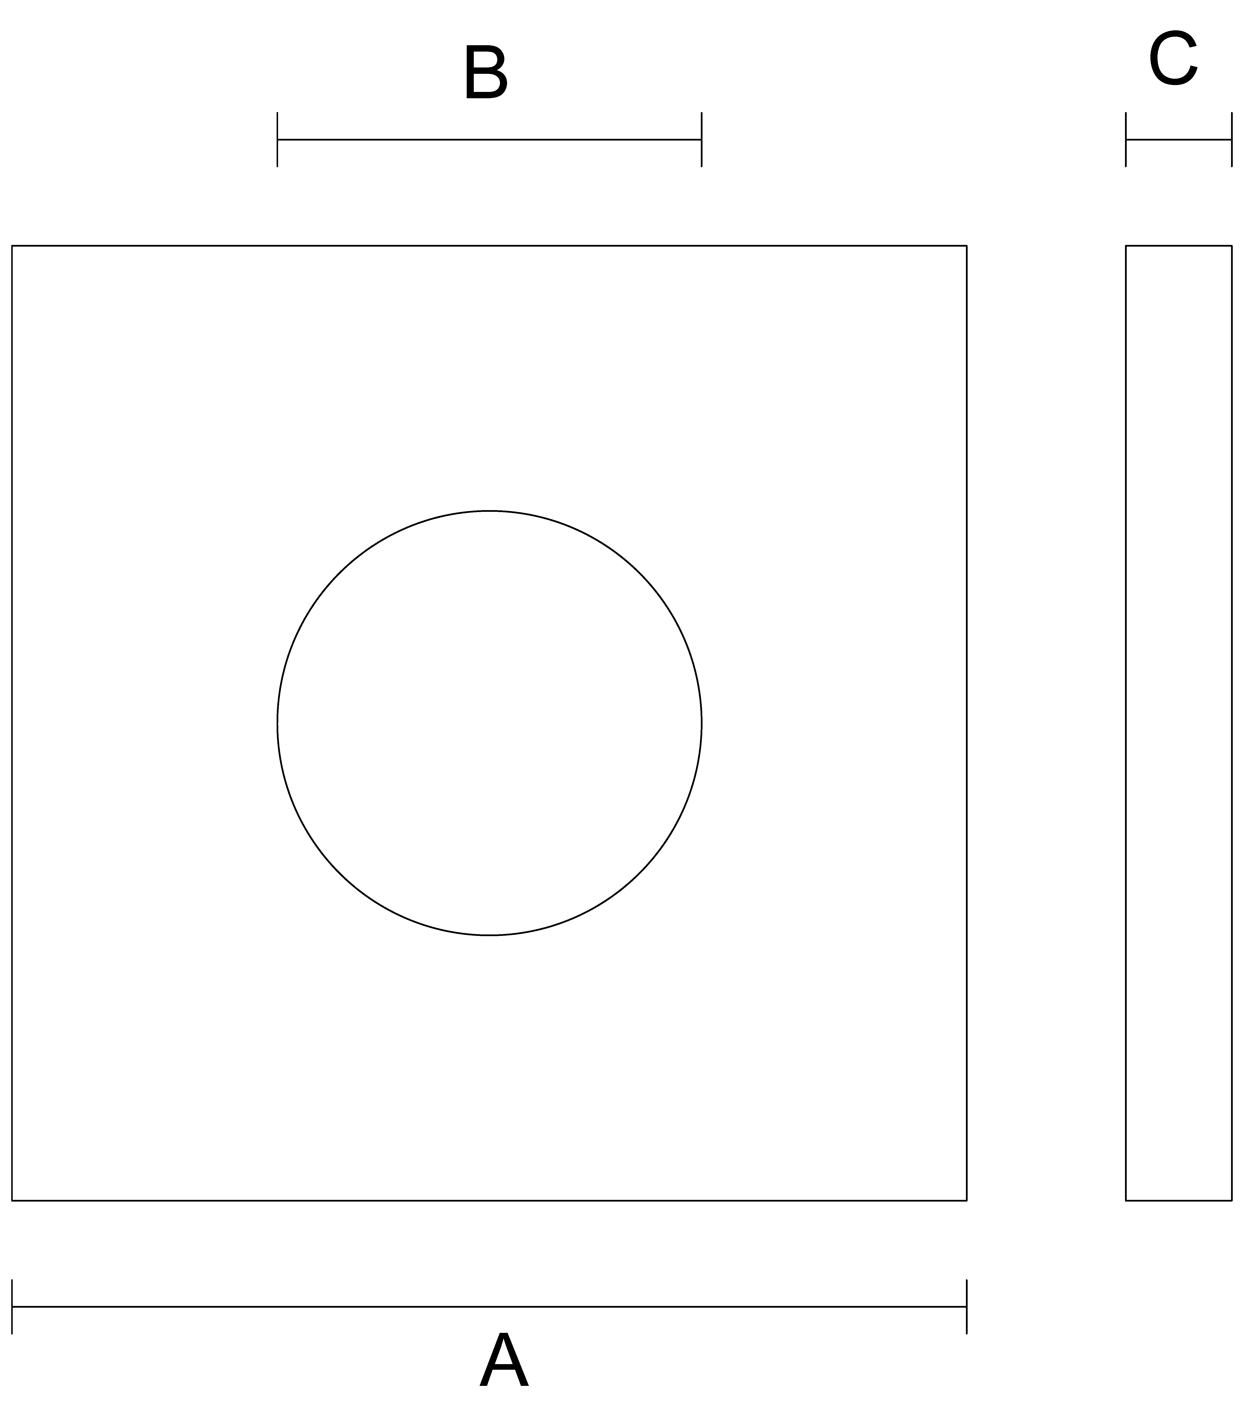

Item | Quantity | Material | Finish | Measurement A | Measurement B | Measurement C
Square Washers |  |  | Select Finish
Square Washers |  |  | Select Finish
Square Washers |  |  | Select Finish
Square Washers |  |  | Select Finish

